Normal Distribution
Simulate Data in Google Sheets |  |  | Proportion%
Empirical Rules |  | +/- 1SD | 68.2
 |  | +/- 2SD | 95
 |  | +/- 3SD | 99.7

223.65 | MEAN | 199.43
178.06 | SD | 14.27 |  | % Proportion
210.69 | +/- 1SD | 185.16 | 213.71 | 70.00%
189.36 | +/- 2SD | 170.89 | 227.98 | 96.00%
205.76 | +/- 3SD | 156.62 | 242.25 | 100.00%
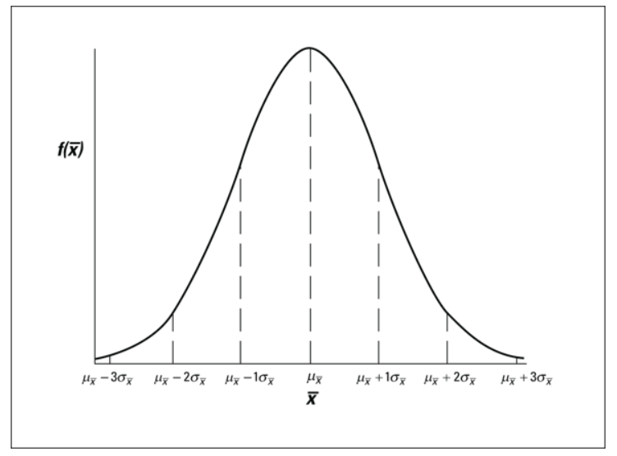
193.71 |  | Lower Bound | Upper Bound
186.92
217.18
191.65
219.48
225.28
201.04
197.86
225.49
214.02
214.39
209.41
198.34
187.67
224.47
177.40
204.63
186.98
213.38
200.84
192.11
173.21
201.13
189.76
198.51
165.43
192.05
213.69
186.33
183.29
209.75
201.17
202.65
211.20
195.69
200.03
176.41
217.59
194.24
209.11
194.24
199.39
169.07
174.93
183.35
184.07
203.43
197.49
192.55
189.16
217.50
190.41
184.06
192.30
208.93
222.67
187.52
190.31
206.45
210.80
195.39
212.84
190.89
180.51
204.54
194.94
207.14
199.15
186.16
210.58
198.99
176.04
195.50
220.26
217.02
201.71
218.02
195.09
211.55
212.37
195.19
206.01
210.91
196.57
200.36
186.00
197.09
225.81
205.79
188.45
166.64
232.54
202.70
196.01
195.12

Confidence Interval

We want to estimate Rating of TENET film among those who have watched it this year.

 | Rating
 | 7.5 | Mean | 7.606
 | 8.0 | SD | 0.728
 | 6.8 | N | 50
 | 8.1
 | 7.4 |  | Confidence Interval
 | 7.8 | 95% | Lower Bound | Upper Bound
 | 8.5 |  | 7.404 | 7.808
 | 8.4
 | 8.7
 | 8.3 | Margin Error | 0.2018
 | 7.5
 | 6.8
 | 8.7 | SE | 0.1029
 | 7.4 | Margin Error | 0.2018
 | 6.2
 | 9.0
 | 7.3
 | 7.0
 | 5.7
 | 6.9
 | 7.8
 | 7.2
 | 8.3
 | 6.8
 | 7.5
 | 7.5
 | 5.7
 | 7.9
 | 8.6
 | 7.9
 | 7.0
 | 8.5
 | 7.2
 | 7.2
 | 8.3
 | 7.8
 | 7.6
 | 7.3
 | 6.9
 | 8.2
 | 8.2
 | 8.2
 | 8.0
 | 7.5
 | 7.3
 | 7.7
 | 8.2
 | 6.7
 | 7.4
 | 7.8

Paired T-Test


 |  | One month of special training

 | Before |  |  | After
Mean | 65 |  | Mean | 72
SD | 5 |  | SD | 3

Student_ID | Before | After | DIFF
1 | 62.55 | 72.58 | 10.03 | Paired T-Test
2 | 64.53 | 80.65 | 16.13
3 | 64.61 | 73.81 | 9.20
4 | 63.83 | 65.57 | 1.74 | Test equality of means |  | H0: mean before == mean after
5 | 70.06 | 73.97 | 3.90 | T.Test | 0.0000 | H1: mean before =/= mean after
6 | 63.30 | 64.60 | 1.30 |  | Reject H0
7 | 65.49 | 75.55 | 10.06 | AVG_DIFF | 5.84
8 | 63.29 | 67.40 | 4.11
9 | 69.97 | 73.81 | 3.84
10 | 71.57 | 71.09 | -0.48
11 | 60.26 | 71.28 | 11.02
12 | 68.83 | 68.32 | -0.51
13 | 72.78 | 70.65 | -2.13
14 | 59.94 | 70.85 | 10.90
15 | 67.12 | 72.26 | 5.14
16 | 63.22 | 69.54 | 6.32
17 | 63.69 | 72.11 | 8.42
18 | 64.18 | 71.45 | 7.27
19 | 68.75 | 75.32 | 6.57
20 | 65.80 | 74.57 | 8.77
21 | 64.89 | 69.06 | 4.17
22 | 68.14 | 73.21 | 5.07
23 | 66.41 | 70.41 | 4.00
24 | 61.90 | 74.46 | 12.56
25 | 63.50 | 77.02 | 13.52
26 | 65.81 | 72.77 | 6.95
27 | 72.59 | 71.16 | -1.43
28 | 58.88 | 69.79 | 10.91
29 | 74.58 | 71.65 | -2.93
30 | 61.25 | 72.06 | 10.81
31 | 67.32 | 71.83 | 4.51
32 | 70.67 | 70.00 | -0.67
33 | 66.06 | 71.56 | 5.50
34 | 58.52 | 72.34 | 13.81
35 | 68.18 | 69.29 | 1.11
36 | 73.15 | 71.83 | -1.32
37 | 66.10 | 68.85 | 2.75
38 | 63.68 | 71.25 | 7.57
39 | 70.00 | 70.56 | 0.56
40 | 64.61 | 71.17 | 6.56
41 | 66.82 | 72.12 | 5.30
42 | 61.64 | 74.82 | 13.18
43 | 68.83 | 73.41 | 4.57
44 | 76.04 | 74.90 | -1.14
45 | 70.96 | 72.30 | 1.34
46 | 66.80 | 75.29 | 8.49
47 | 63.73 | 67.81 | 4.08
48 | 55.67 | 73.84 | 18.17
49 | 60.74 | 71.02 | 10.28
50 | 71.20 | 73.11 | 1.91

